Sheet1
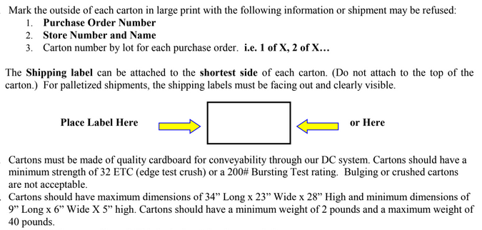
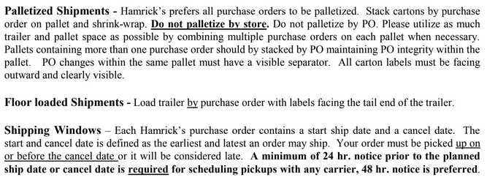
HAMRICKS

PICK TICKET CHECK LIST |  |  |  | PO# 265599- 265919
 |  |  |  | PT# 1766368-1766369
TICKETING

ROUTING |  |  | SHIP VIA: ROUTING

CARTON MARKING

PO # MUST BE ON ALL BOXES
STORE# and STORE NAME
STYLE
COLOR
QTY

CUSTOMER STYLE | OUR STYLE | QTY | PT #
EHH399-42 | EHH399-42 | 6 | 1766369
EHH406-42 | EHH406-42 | 6 | 1766369
EHH454-42 | EHH454-42 | 6 | 1766369
EHH602-42 | EHH602-42 | 6 | 1766369
WMH568B-42 | WMH568B-42 | 12 | 1766368

 |  | 36

